SourceData New
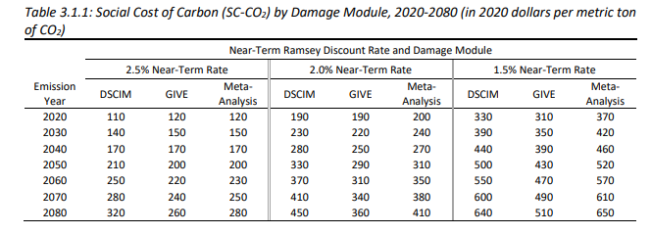
Social cost of carbon
 | 2%
 | Meta-Analysis

 | 2020 dollars per metric ton of CO2

2020 | 200
2030 | 240
2040 | 270
2050 | 310

 | annualized value (2020$/mt) | 2012$/mt | 2012$/g
2020 | 190 | $168.6 | 1.69E-04
2021 | 204 | $181.0 | 1.81E-04
2022 | 208 | $184.5 | 1.85E-04
2023 | 212 | $188.1 | 1.88E-04
2024 | 216 | $191.6 | 1.92E-04
2025 | 220 | $195.2 | 1.95E-04
2026 | 224 | $198.7 | 1.99E-04
2027 | 228 | $202.3 | 2.02E-04
2028 | 232 | $205.8 | 2.06E-04
2029 | 236 | $209.4 | 2.09E-04
2030 | 230 | $204.0 | 2.04E-04
2031 | 243 | $215.6 | 2.16E-04
2032 | 246 | $218.2 | 2.18E-04
2033 | 249 | $220.9 | 2.21E-04
2034 | 252 | $223.6 | 2.24E-04
2035 | 255 | $226.2 | 2.26E-04
2036 | 258 | $228.9 | 2.29E-04
2037 | 261 | $231.5 | 2.32E-04
2038 | 264 | $234.2 | 2.34E-04
2039 | 267 | $236.9 | 2.37E-04
2040 | 270 | $239.5 | 2.40E-04
2041 | 274 | $243.1 | 2.43E-04
2042 | 278 | $246.6 | 2.47E-04
2043 | 282 | $250.2 | 2.50E-04
2044 | 286 | $253.7 | 2.54E-04
2045 | 290 | $257.3 | 2.57E-04
2046 | 294 | $260.8 | 2.61E-04
2047 | 298 | $264.4 | 2.64E-04
2048 | 302 | $267.9 | 2.68E-04
2049 | 306 | $271.5 | 2.71E-04
2050 | 310 | $275.0 | 2.75E-04

